3. Finding the Application ID
How to find the Application ID
Option 1: Through the application/learning plan URL (recommended if you are only deleting a few learners)
Navigate to the Applicants tab Search for the learner you require deleting Click on the learner to view their application | 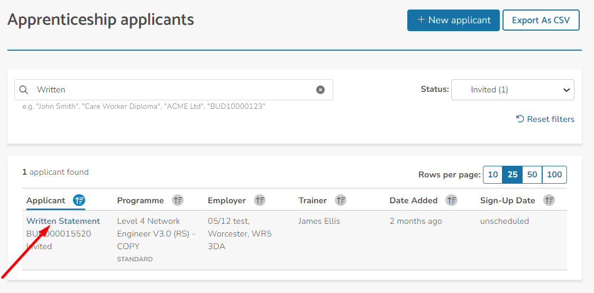

Then, once viewing the application: The ID is the alphanumeric figure seen in the URL. The structure of the URL may appear differently depending on the state of the learners application but there should only be one alphanumeric figure

Option 2: Through the learner .CSV report (recommended for if you are deleting a large volume of learners who have been fully enrolled)
Navigate to the Learners tab Select 'Generate a report' and then choose Learner Report from the drop down

The first column of this report is called Id which is the learners Application ID

